Uniforms and Accessories

Order for Uniforms of BROWNIE with MOE UNIFORM GRANT
ORDER AND DELIVERY PERIODS
QUARTER 1 15 Feb - 30 Mar
QUARTER 2 1 May -10 Jun
QUARTER 3 1 Sept - 30 Sept
QUARTER 4 1 Nov - 30 Nov

Please email this form to shop@girlguides.org.sg

Name of School |  |  |  |  | Period for Self-Collection Period for Delivery |  |  | Every Friday & Saturday from 12 to 5pm Thursday or Friday from 12 to 5 pm
Name of Guider |  |  |  |  | Exchanges must be made within 2 weeks of purchase with receipts or proof of payment - please provide parents/students with EXCHANGE FORMS for any exchanges
Date of Order
Payment Mode
Contact Number |  |  |  |  | Please order your name tapes 4 weeks in advance should you want them ready for collection or delivery with your uniform orders
Email Address
Mode of Collection |  |  |  |  | Date of Collection (if any)
Orders | Orders received will be processed for following week delivery or collection, i.e., order on 6 April (Tuesday) will be ready for collection on 16 April (Friday). All orders will be confirmed via email prior to self-collection / delivery dates.
Delivery orders | Refer to delivery charges below - deliveries will be confirmed upon receipt of payment.
Self-Collection | Self-Collection must be done within 2 weeks from collection date or they will be delivered by default and delivery charges borne by the school.
Terms and Conditions | Payment must be made within 30 days upon receipt of invoice. ONLY Items collected will be included in the invoice.

BROWNIE UNIFORM - please refer to sizing chart tab for reference of sizes |  |  |  |  |  |  |  |  |  |  | TOTAL QTY | TOTAL COST
Top (short Sleeve) | S | M | L | XL | 2XL | 3XL | 4XL | 5XL |  | $10.30 |  | $-
($12.00 before grant) |  |  |  |  |  |  |  |  |  |  | 0

Bottom (culotte) | S | M | L | XL | 2XL | 3XL | 4XL | 5XL |  | $10.30
($12.00 before grant) |  |  |  |  |  |  |  |  |  |  | 0

T-Shirt (short Sleeve) | 30 | 32 | 34 | 36 | 38 | 40 | 42 | 44 | 46 | $9.00 |  | $-
 |  |  |  |  |  |  |  |  |  |  | 0

Brownie Hat | M | L | XL |  |  |  |  |  |  | $6.70 |  | $-
 |  |  |  |  |  |  |  |  |  |  | 0

Scarf |  |  |  |  |  |  |  |  |  | $3.70 |  | $-
 |  |  |  |  |  |  |  |  |  |  | 0

Emblem | Elf | Fairy | Gnome | Imp | Pixie | Sprite |  |  |  | $1.30 |  | $-
 |  |  |  |  |  |  |  |  |  |  | 0

Enrolment Badge |  |  |  |  |  |  |  |  |  | $1.20 |  | $-
 |  |  |  |  |  |  |  |  |  |  | 0

DELIVERY TOTAL
Please select based on the size of the contents. Delivery charges below serve as a guide only.
Note that surcharges may apply and this will be informed during confirmation of order

TOTAL AMOUNT |  |  |  |  |  |  |  |  | $42.50 |  | (Per set) | $0.00
(exclusive GST)

DELIVERY CHARGES
Polymailer (for badges or small items only) |  | $6.50
Small Box (up to 4 sets of uniforms) |  | $10.00
Medium Box (up to 8 sets of uniforms) |  | $15.00
Large Box (up to 14 sets of uniforms) |  | $20.00

For Delivery:
Item(s) to be addressed to:
Address of School:

DATA PROTECTION
Girl Guides Singapore (GGS) will hold and protect all your personal particulars in accordance
with the terms of Personal Data Protection Act (Singapore)

Sizing Chart
SIZING CHART
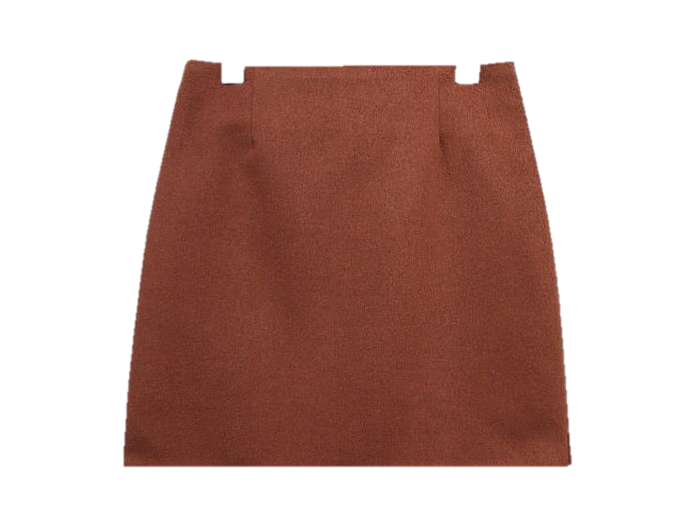
Waist - 30cm
Shoulder - 33.5cm
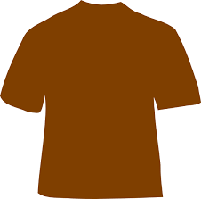 SMALL

Length - 48cm
Chest - 42cm
Length - 41cm

Shoulder - 36cm
Waist - 32.5cm
MEDIUM

Length - 50.5cm
Chest - 44.5cm
Length - 42.5cm

Waist - 35cm
Shoulder - 38.5cm
LARGE

Length - 53cm
Chest - 47cm
Length - 44cm

Waist - 37.5cm
Shoulder - 41cm
X LARGE

Length - 55.5cm
Chest - 49.5cm
Length - 45.5cm

Waist - 40cm
Shoulder - 43.5cm
2X LARGE

Length - 58cm
Chest - 52cm
Length - 47cm

Waist - 42.5cm
Shoulder - 46cm
3X LARGE

Length - 60.5cm
Chest - 54.5cm
Length - 48.5cm

Waist - 45cm
Shoulder - 48.5cm
4X LARGE

Length - 63cm
Chest - 57cm
Length - 50cm

Waist - 47.5cm
Shoulder - 51cm
5X LARGE

Length - 65.5cm
Chest - 59.5cm
Length - 51.5cm

T-shirt |  |  |  | Hat
Size | Chest (cm) | Length (cm) | Shoulder (cm) | Size | Head circumference (cm)
30 | 76 | 53 | 39 | M |  | 59
32 | 81 | 57 | 39 | L |  | 61
34 | 86 | 61 | 40 | XL |  | 63
36 | 91 | 67 | 40.5
38 | 96.5 | 70 | 41
40 | 102 | 72 | 42
42 | 107 | 75 | 42.5
44 | 112 | 77 | 43
46 | 117 | 80 | 44

